Database
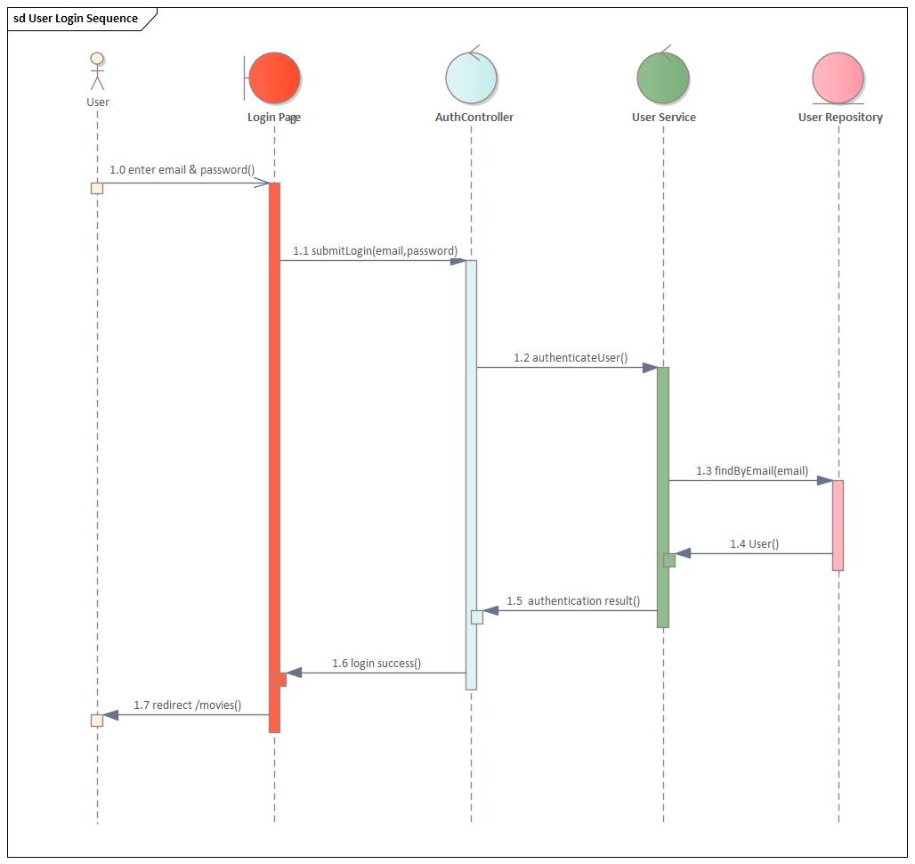
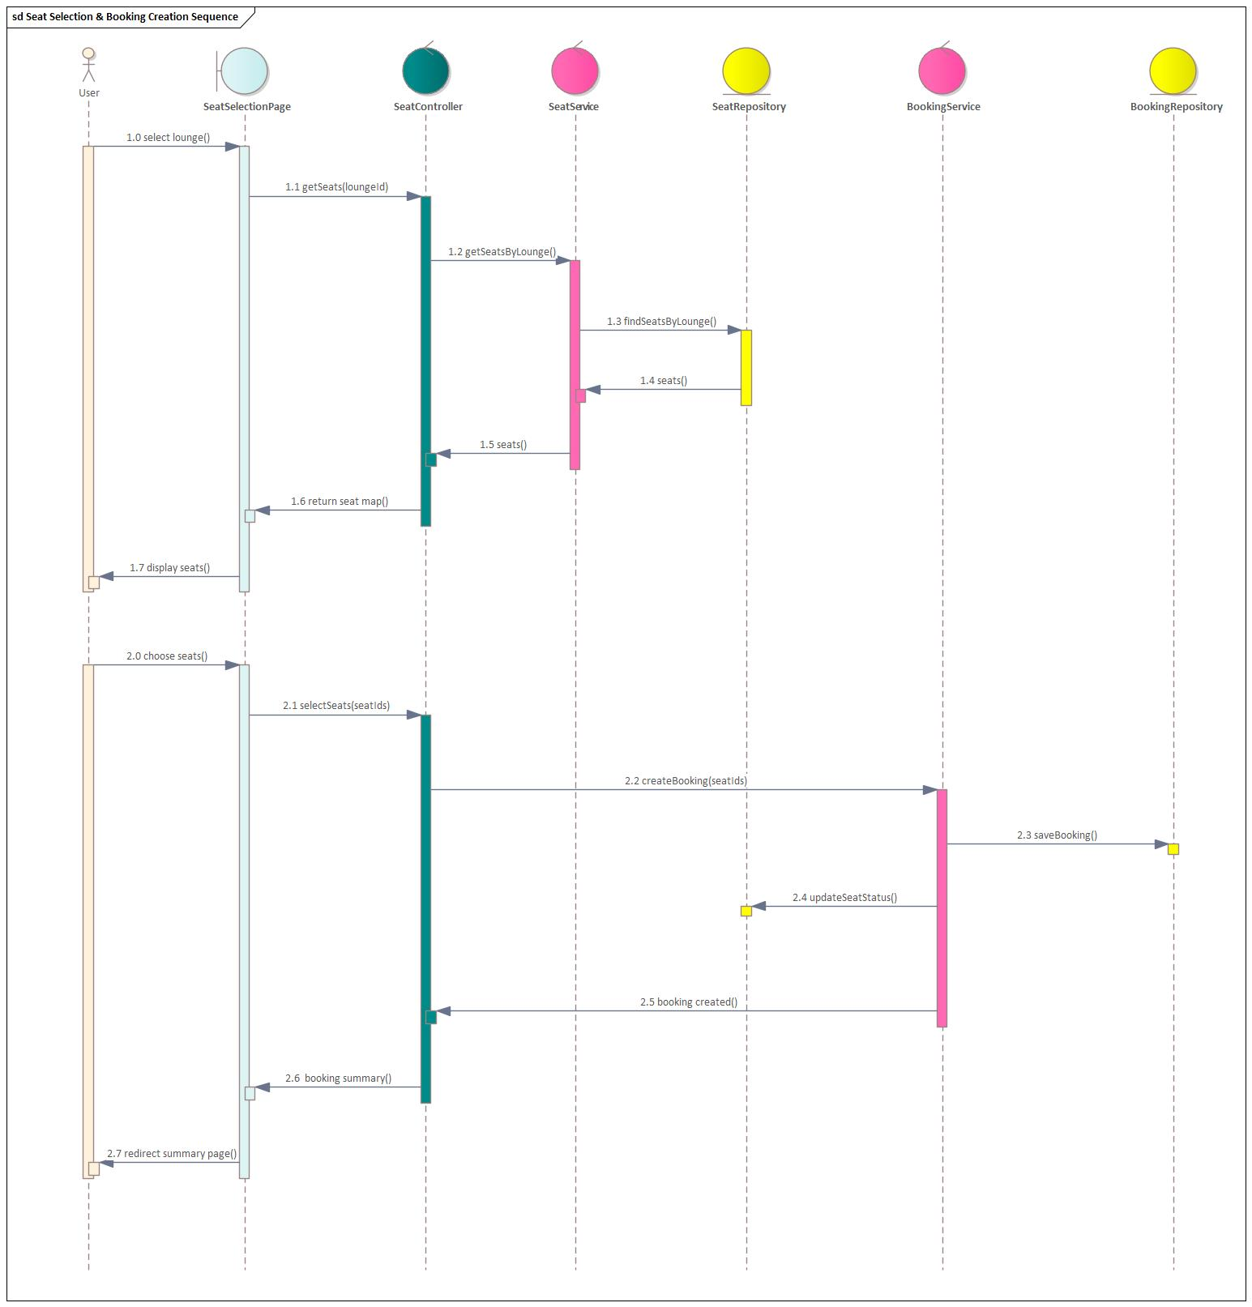
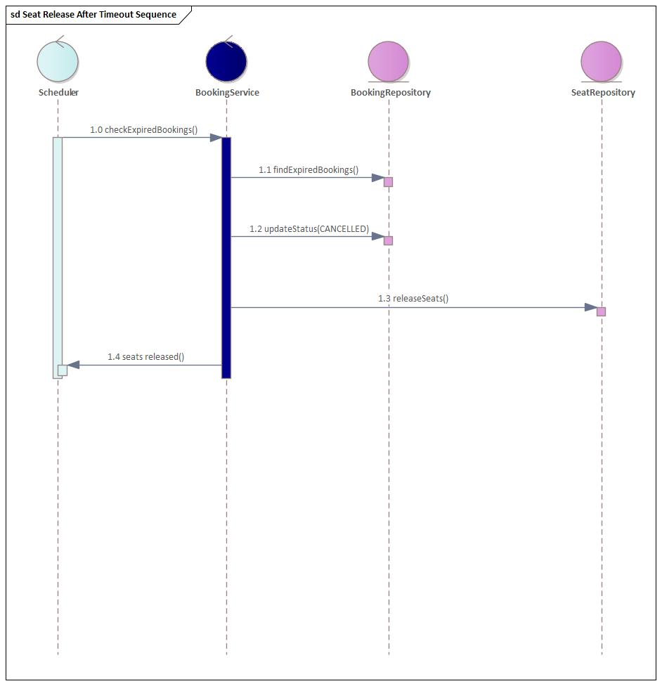
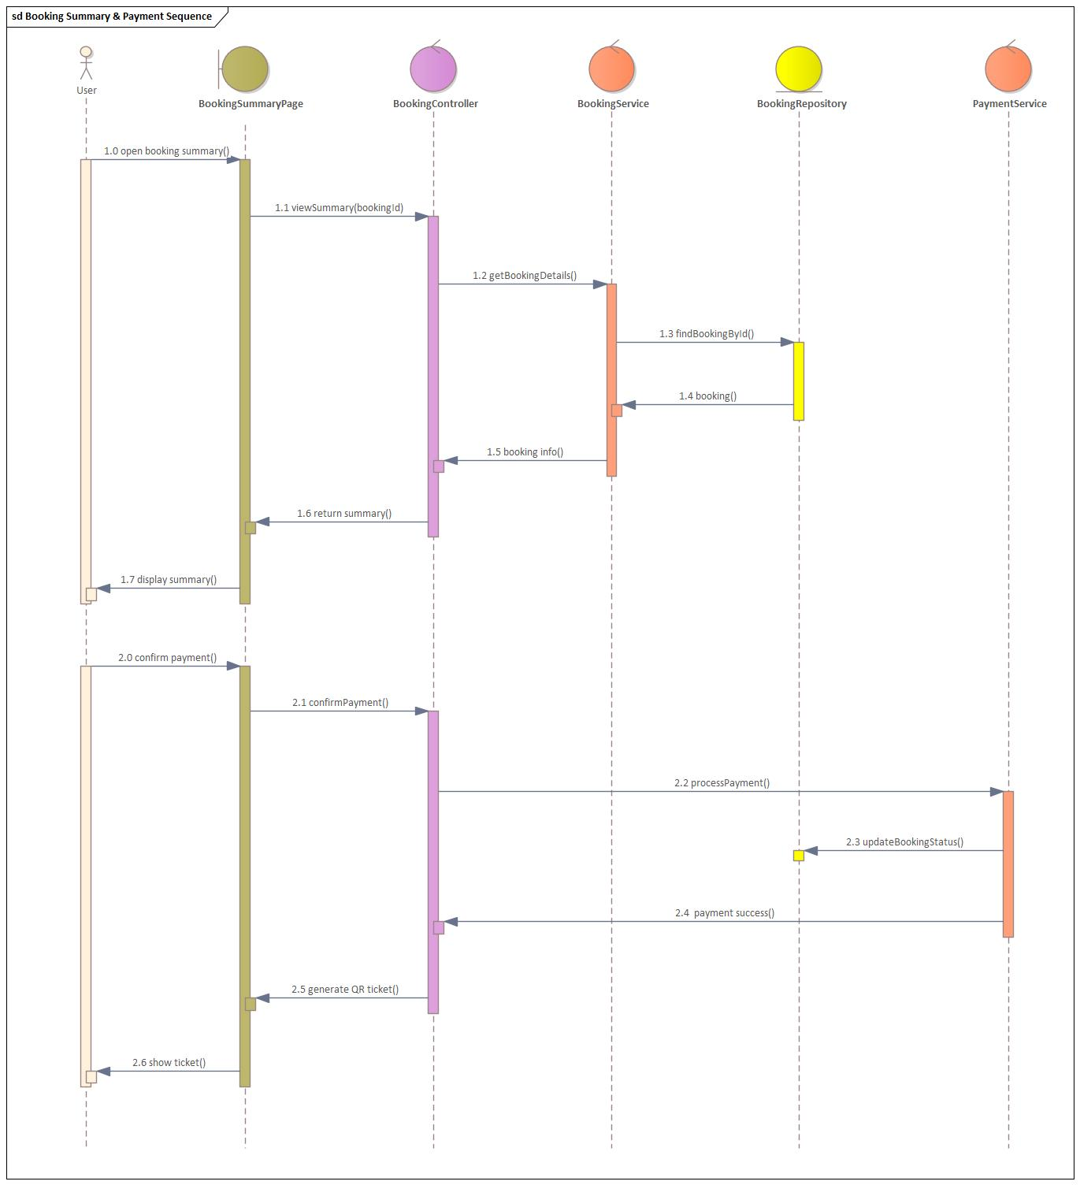
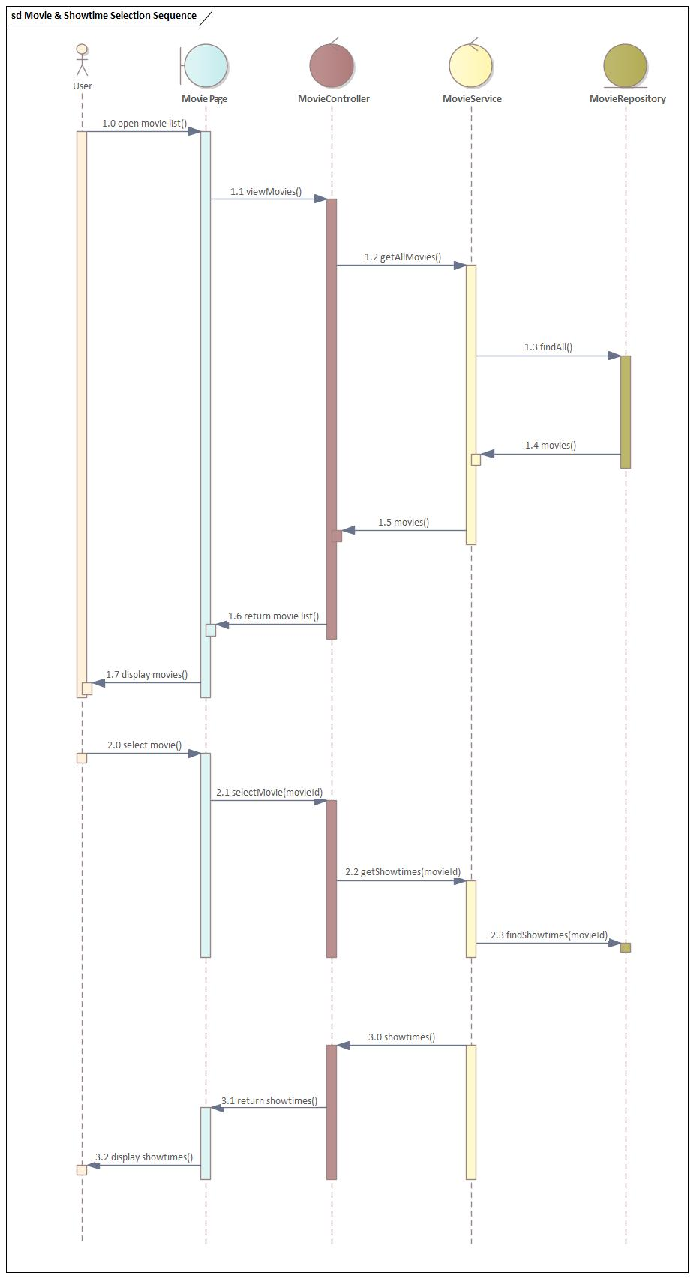
 | Student name | Student ID | Class
 | Trần Ngọc Ánh Dương | 2280600534 | 22DTHQB2
 | Ao Thành Nhân | 2280600194 | 22DTHQB2
 | Lưu Dương Bá Bảo | 2280602150 | 22DTHQB2

 | Online Movie Ticket Booking System - Documentation Report

Usecase
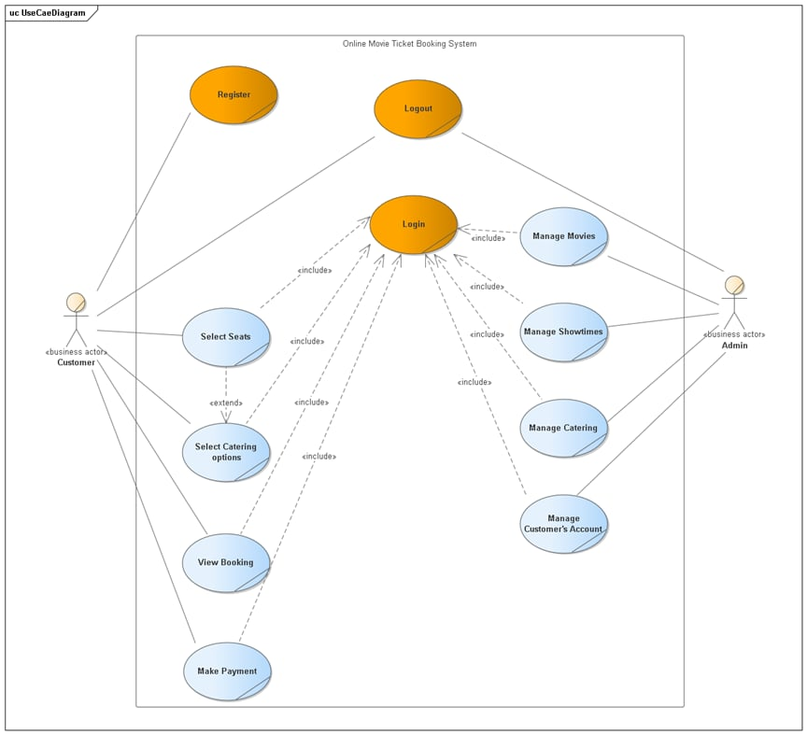

ERD
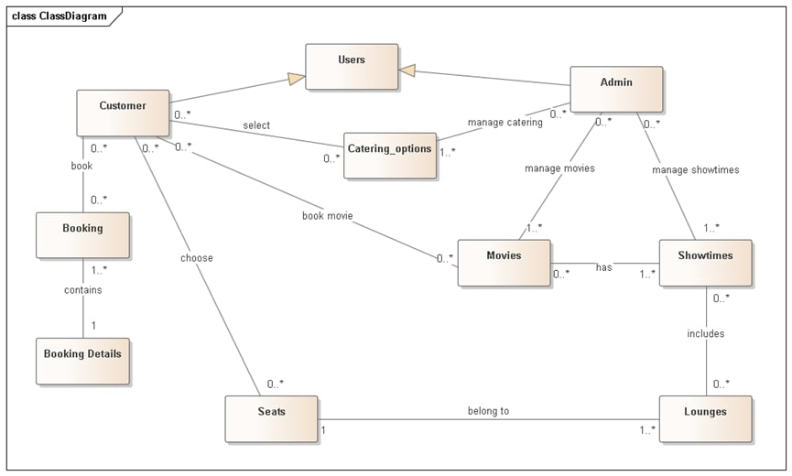

Database Design
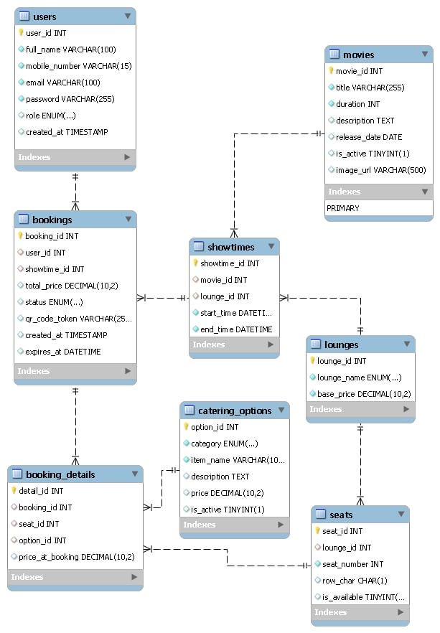

Sequence

Testcase Unit test (1)
Login & Authentication

STT | Method | Test Scenario | Input | Expected Result | Status | Image
1 | passwordEncoder | Test BCrypt password encryption | "Anhduong123" | Returns a hashed string (not "Anhduong123") | Pass
2 | isValidEmail | Check email format validation | "nhan@gmail" (missing .com) | Returns False | Pass | 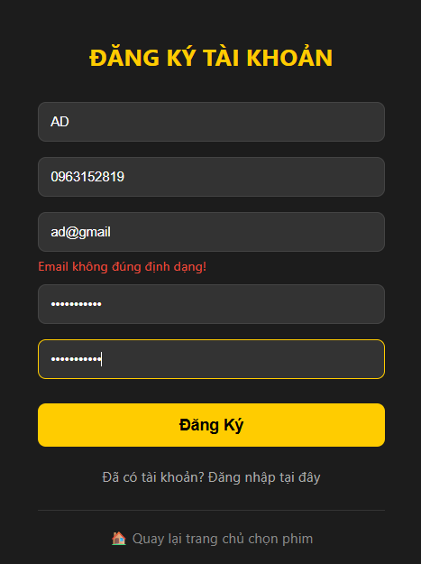
3 | loadUserByUsername | Check role authorization after login | Email: admin1@gmail.com | Returns a User with ROLE_ADMIN | Pass | 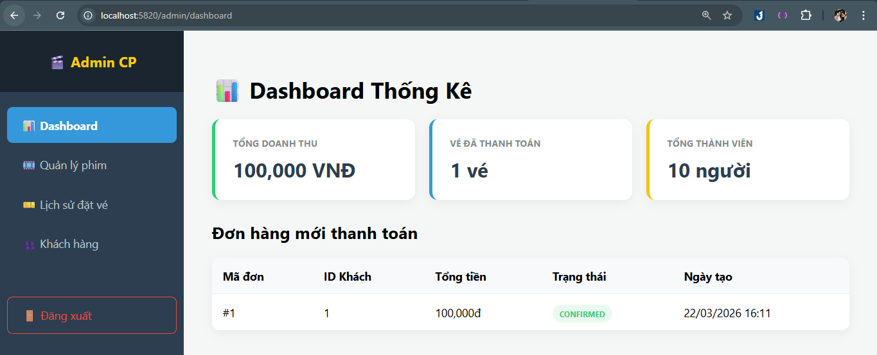

Testcase Unit test (3)
Seat Selection

STT | Method | Test Scenario | Input | Expected Result | Status | Image
1 | getSeatsByLounge() | Retrieve the list of seats for a lounge | LoungeID: 1 | The system returns all seats belonging to Lounge 1 | Pass | 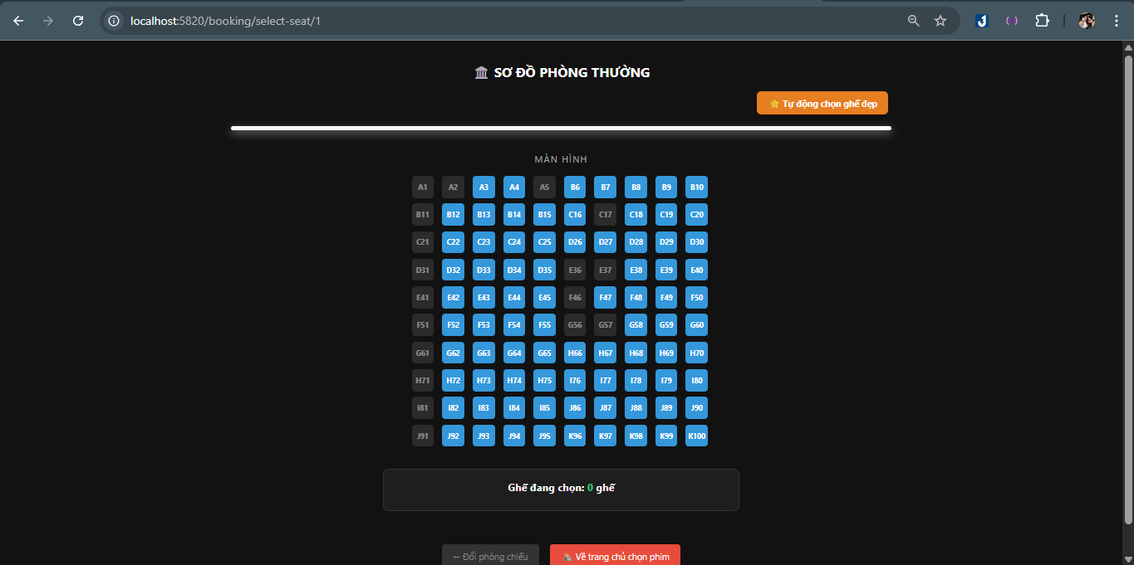
2 | showSeatMap() | Display the seat map for user selection | LoungeID: 2 | The seat-selection page displays the seats of the VIP lounge | Pass | 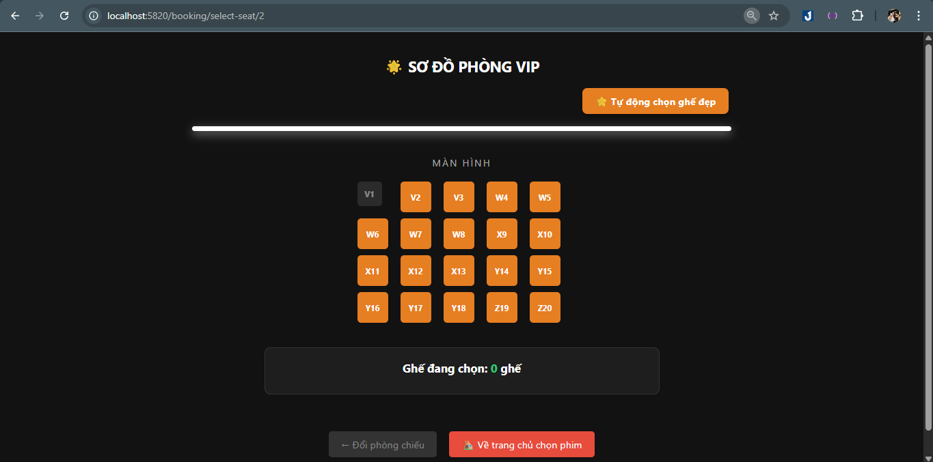
3 | autoAssignSeat() | System automatically selects an available seat | LoungeID: 1 | The system returns the first available seat or a center seat | Pass | 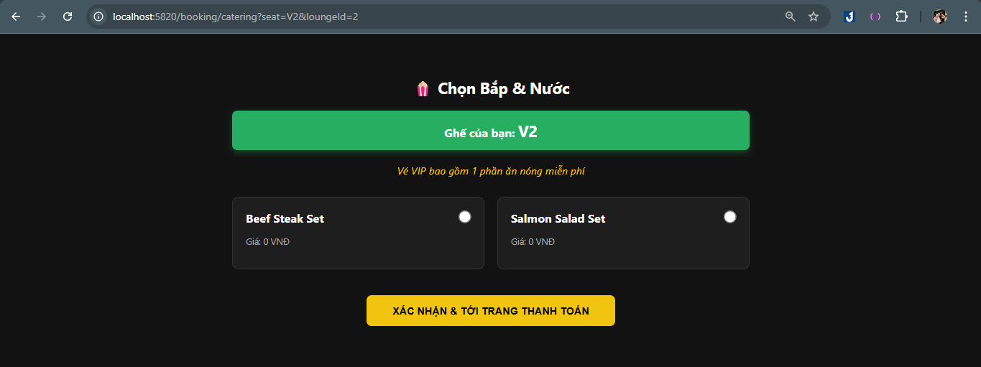
4 | createMultipleBooking() | User selects multiple seats and creates a booking | SeatIDs: [G65, H66, H67] | The system creates a new Booking and locks the selected seats | Pass
5 | saveSeatStatus() | Update seat status after booking | SeatID: 15 | The database updates is_available = 0 | Pass

Testcase Unit test (5)
Spring Security Authentication

STT | Method | Test Scenario | Input | Expected Result | Status | Image
1 | Access Booking Page | Access /booking/select-seat without login | No login | Redirect to /login | Pass
2 | User Login | Login with a valid user account | Email = nhan@gmail.com , pass word = Nhan123456 | Redirect to /movies | Pass | 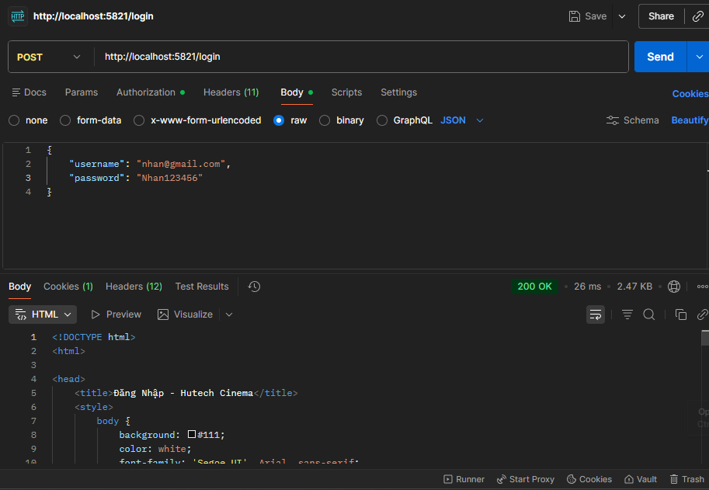
3 | Admin Login | Login with an admin account | Admin email = "admin1@gmail.com", password="Admin1" | Redirect to /admin/dashboard | Pass | 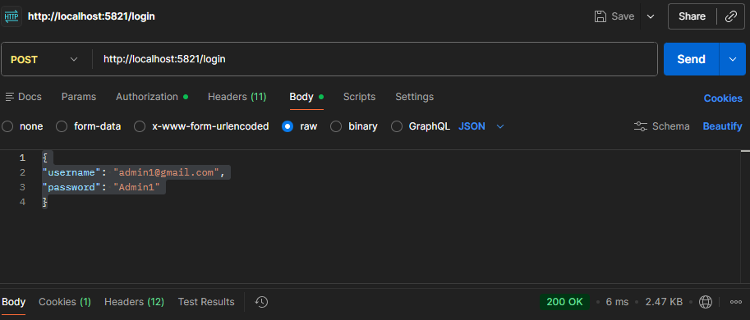
4 | Unauthorized Access | User attempts to access /admin | User account | Access Denied | Pass
5 | Logout | User logs out | Click Logout | Redirect to /movies | Pass | 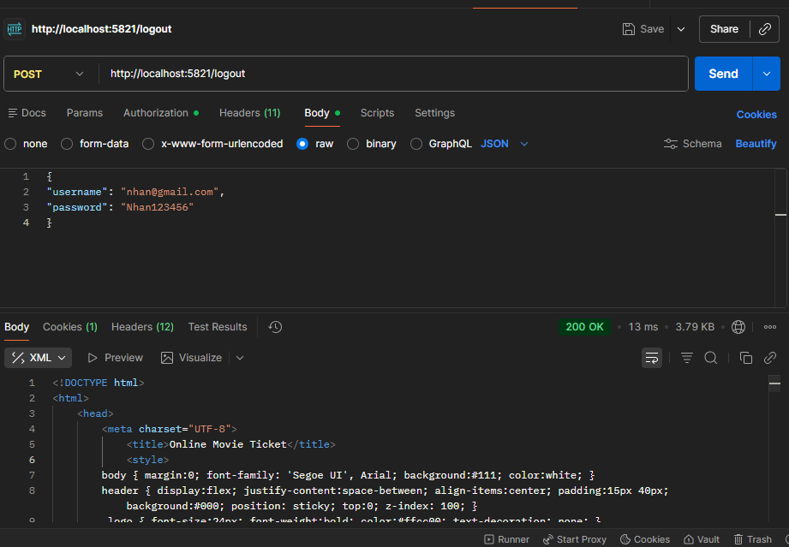

Testcase Unit test (4)
Booking Summary & Payment

STT | Method | Test Scenario | Input | Expected Result | Status | Image
1 | summary() | Generate the booking summary page | Seat: E45, LoungeID: 1, Food: 3 | The system displays the Booking Summary with a 10-minute seat holding timer | Pass | 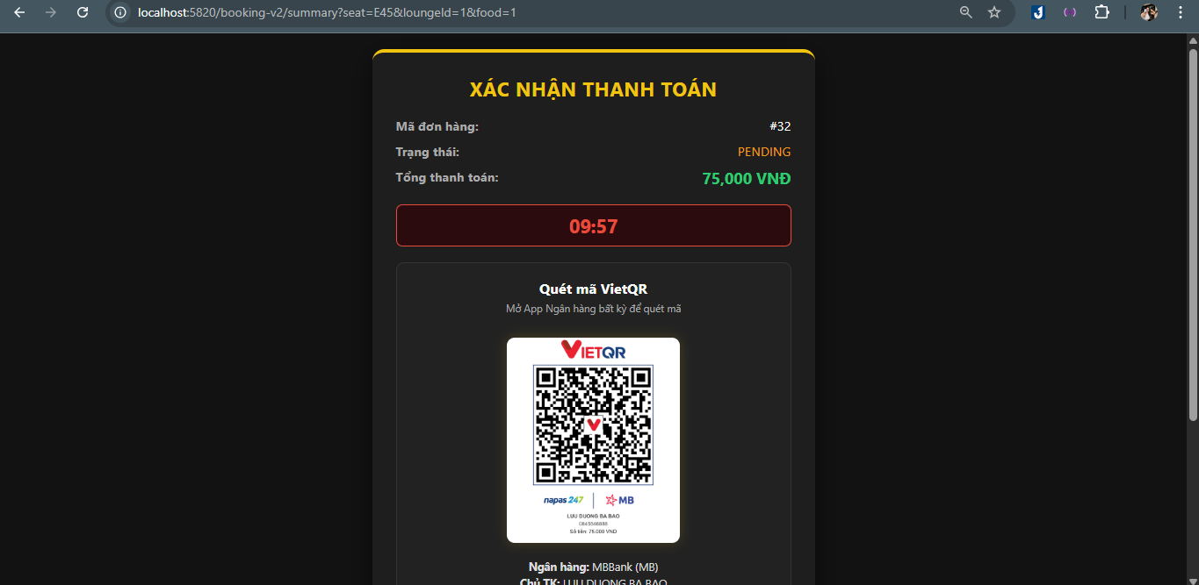
2 | calculateTotalPrice() | Calculate the total price for tickets and food | Ticket: 75000, Food: 0 | Total price = 75000 | Pass
3 | sepayWebhook() | Receive payment webhook from the bank | Content: "HUTECH 32", Amount: 75000 | Booking 32 status is updated to CONFIRMED | Pass | 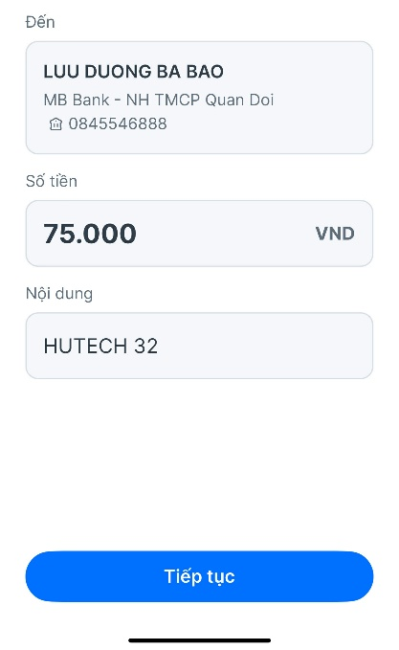
4 | checkStatus() | Check payment status | BookingID: 105 | The system returns status CONFIRMED | Pass
5 | cancelAndReleaseSeat() | Cancel booking and release seats | BookingID: 100 | Status becomes CANCELLED and seats are released | Pass | 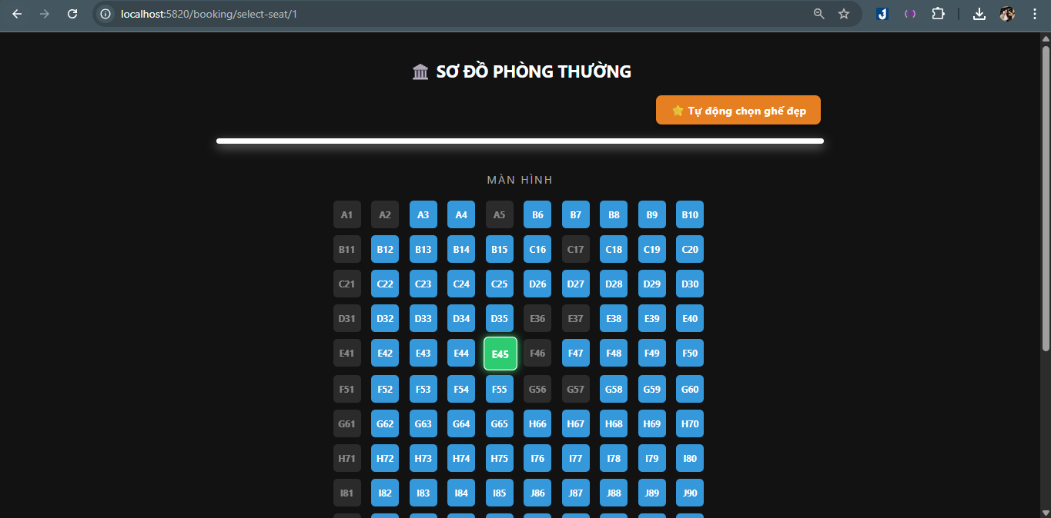

Testcase Intergration test(2)
Seat Reservation Flow

No. | Flow Step | Test Scenario | Input | Expected Result | Status | Image
1 | Load Seat Map | System loads seat layout for the lounge | LoungeID: 1 | The seat map is displayed with available and reserved seats | Pass | 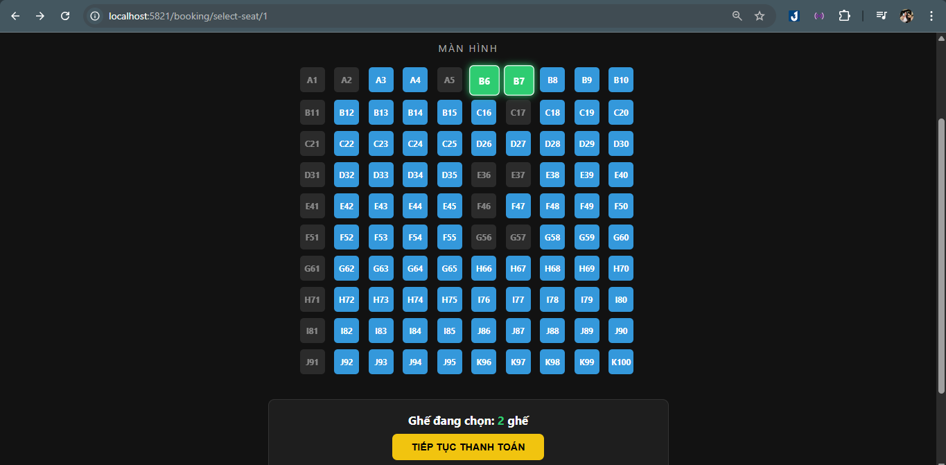
2 | Select Seats | User selects multiple seats | SeatIDs: [B6, B7] | Seats are marked as selected | Pass
3 | Seat Validation | System checks seat availability | SeatIDs: [B6, B7] | System confirms seats are available | Pass
4 | Temporary Lock | System holds the seats for booking | SeatIDs: [B6, B7] | Seats are temporarily locked for 10 minutes | Pass | 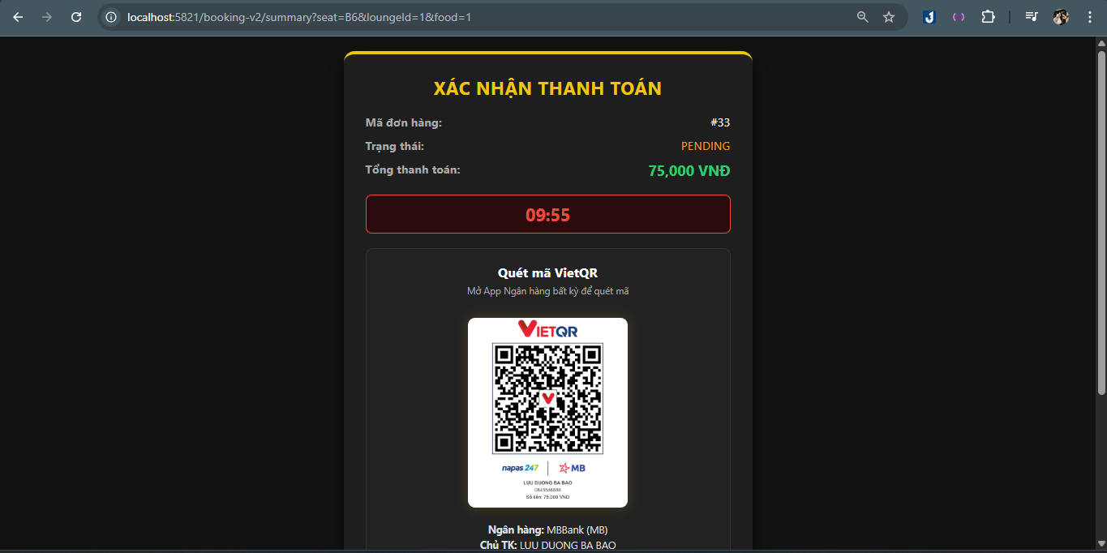

Testcase Intergration test(3)
Payment Processing Flow |  |  | Payment Flow

No. | Flow Step | Test Scenario | Input | Expected Result | Status | Image
1 | Open Booking Summary | User proceeds to checkout | BookingID: 52 | System displays booking summary | Pass | 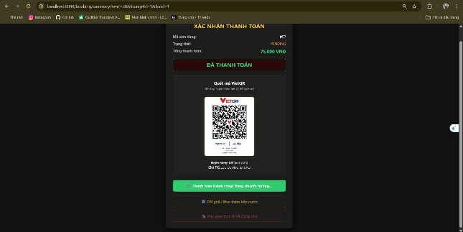
2 | Calculate Total Price | System calculates ticket and food cost | Ticket: 75000, Food: 0 | Total price = 75000 | Pass
3 | Payment Request | User confirms payment | BookingID: 52 | System sends payment request to payment gateway | Pass
4 | Payment Confirmation | System receives payment webhook | Content: “HUTECH 52” | Booking status updated to CONFIRMED | Pass
5 | Ticket Generation | System generates digital ticket | BookingID: 52 | Digital ticket with QR Code is generated | Pass | 